Sheet1
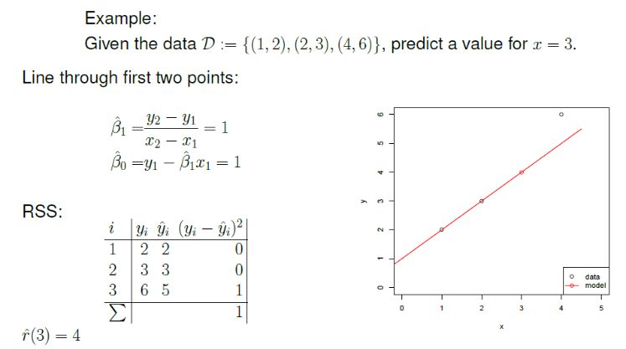
First Model Using first two point . Then we get the value of ß1 and ß1, where ß1 = 1, ß0 = 1. |  |  |  |  |  | ß1 = | 1 | ß0 = | 1

i (point) | x | yi (real value) | Ýi (predicted value) | residual (yi - Ýi) |  | residual : error between predicted and actual observed values

1 | 1 | 2 | 2 | 0
2 | 2 | 3 | 3 | 0
3 | 4 | 6 | 5 | 1 |  | residual = 1
4 | 3 |  | 4 | 1

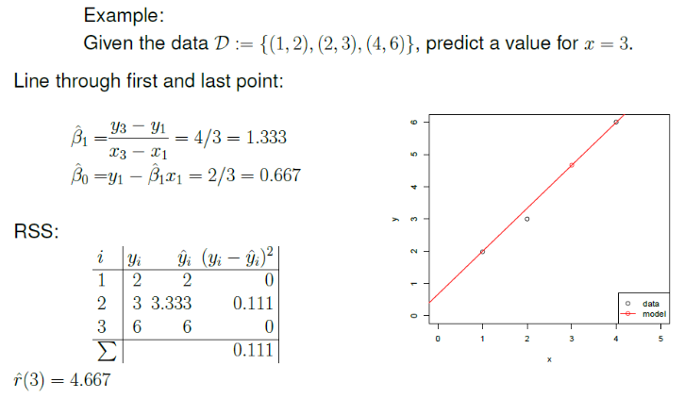
Second Model Using first and last point . Then we get the value of ß1 and ß1, where ß1 = 1, ß0 = 1. |  |  |  |  |  | ß1 = | 1.333 | ß0 = | 0.667

i (point) | x | yi (real value) | Ýi (predicted value) | residual (yi - Ýi) |  | residual : error between predicted and actual observed values

1 | 1 | 2 | 2 | 0
2 | 2 | 3 | 3.333 | 0.110889
3 | 4 | 6 | 5.999 | 0.001 |  | residual = 0,111
4 | 3 |  | 4.666 | 0.111889

Conclusion : Second model better than first model. Use second model

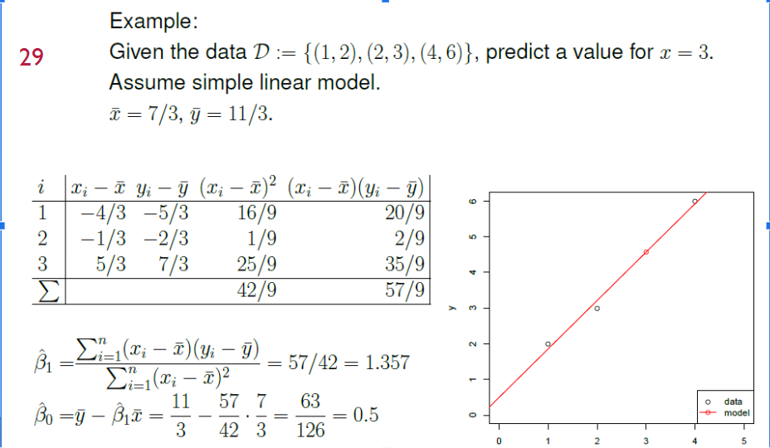
LSE Model |  | x (mean) | 2.33 | y (mean) | 3.67

i (point) | x | yi (real value) | xi - x | yi - y | (xi - x)^2 | (xi-x). (yi-y)
1 | 1 | 2 | -1.33 | -1.67 | 1.777777778 | 2.222222222
2 | 2 | 3 | -0.33 | -0.67 | 0.1111111111 | 0.2222222222
3 | 4 | 6 | 1.67 | 2.33 | 2.777777778 | 3.888888889
4 | 3
 |  |  |  |  | 4.666666667 | 6.333333333

ß1 = |  | 1.36
ß0 = |  | 0.50

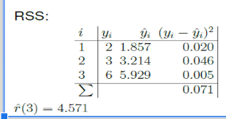
i (point) | x | yi (real value) | ŷ = B0 + B1 x | (yi - ŷi) ^2
1 | 1 | 2 | 1.86 | 0.02040816327
2 | 2 | 3 | 3.21 | 0.04591836735
3 | 4 | 6 | 5.93 | 0.005102040816
4 | 3 |  | 4.57

 |  |  | RSS | 0.071

